How-To
Step 1: Make a Copy of the sheet

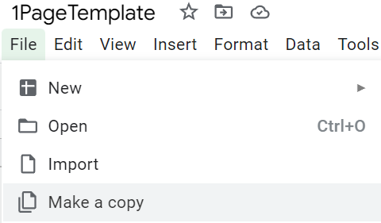

Step 2: Enable App Script

Navigate to Apps Script
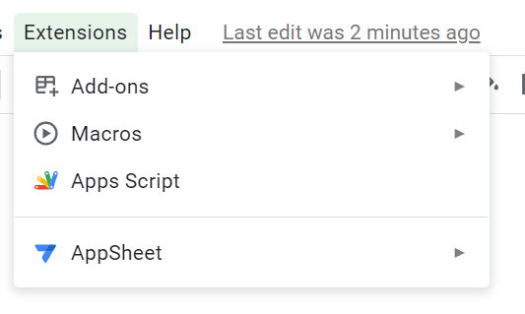

All of the code which will run is available for you to read. It makes no external calls and only accesses values within the sheet itself.

Navigate to "Triggers" tab

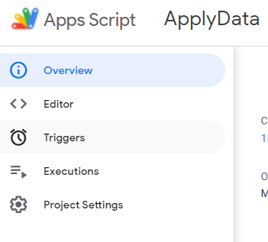

Click the big blue button to Add a Trigger
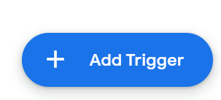

Change only the event type in the bottom left - from On open to On edit

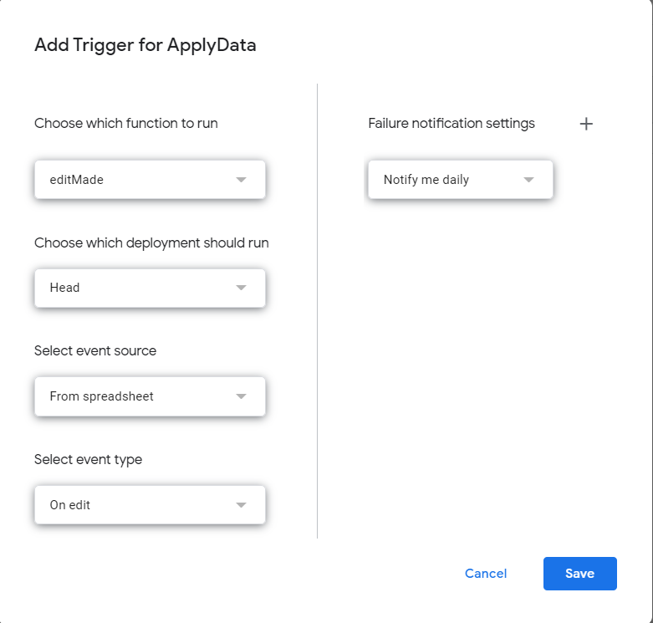

Click save and app script is ready

Step 3: Input Character Data

Rename the sheet to include your character and team names
Rename TeamDPS sheet to include information for constellations and weapons being used for calculation
Fill in Character Data for Characters 1-4 in these cells

Stats and available buffs will auto-populate. To apply buffs which have 100% uptime, pull values from these boxes and place them in this column in the appropriate row
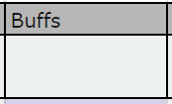

Attacks are populated below. To handle partial uptime buffs, edit the "Bonus" stat rows on the relevant hits. If a certain attack has some hits which benefit from different buffs from others (for example, VV falling off partway through Pyronado), copy the cells of the desired attack, paste cells in an empty column to the right, and rename the attack something understandable (for example, Pyronado No VV).
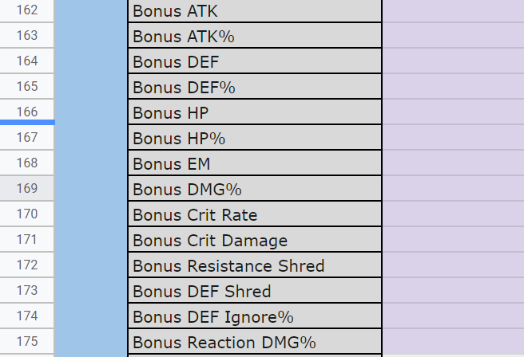

Apply artifact stats. Choose rarity and mainstat here.

Assign substats here in the "Liquid" row. The value in the "Allowed Liquid" is the maximum you can allot to any substat.

The far right cell of the "Liquid" row will change colors once the correct number of substats have been allocated.

Step 4: Calculate damage

Write out the rotation being followed in the cells to the right of this

Below, in the dropdown, select the damage instances which will be included in the damage calculation

Input the Amp type - None, Vaporize, Melt, and Quicken (meaning Spread or Aggravate)

Input the Hit Type - for most calculations, use the Average
Assign the count for the number of times that specific damage instance will occur

To add more damage instances, select the 7 calculation rows and drag along the blue square in the bottom right
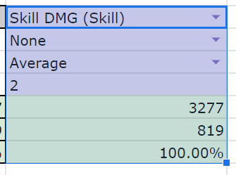
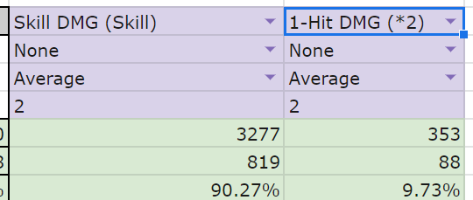

Edit the necessary information for all damage instances.
Repeat for all characters - calculations will occur automatically.

Step 5: Display results

Edit the debrief page to display results how you like. The template is a suggestion.

Step 6: Calculate permutations

